Task 1
Task 1 - enter the data
nb | from | to | length
1
2
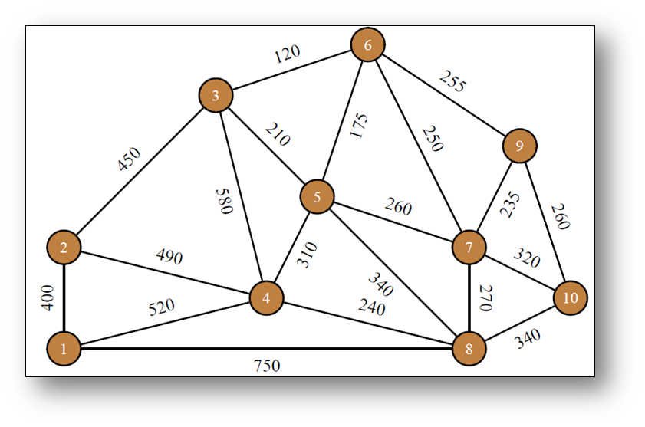
3
4
5
6
7
8
9
10
11
12
13
14
15
16
17
18
19
20

