Chart Mugs and Bowls
Bowls | £960
Mugs | £400

Max Production Mix (2)
Objective |  |  |  |  |  | Scenario 1 |  | Constraint name | dog food | cat food
 | max total profit | £522.00 |  |  |  | £522 |  | labour | 0.50 h | 0.67 h
 |  |  |  |  |  | 2 |  | ingredients | 12 kg | 5 kg
Decision Variables |  |  |  |  |  | #VALUE! |  | profit | £14.00 | £17.00
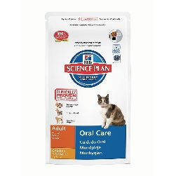
 |  | dog food | cat food |  |  | 32767
 | Quantity | 13 | 20 | <<Decision Variables |  | 0
 | Profit per unit | £14.00 | £17.00
 | Total profit | £182.00 | £340.00

Constraints/Resources
 |  | Parameters |  | Parameter x Quantity |  |  | Constraint | Revenues
 | Constraint name | dog food | cat food | dog food | cat food | Sum | Limit | £21.99 | £29.99
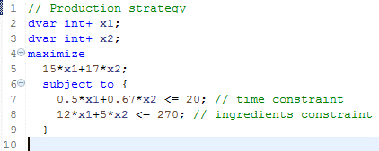
 | labour | 0.50 h | 0.67 h | 6.50 h | 13.40 h | 19.90 h | 20.00 h
 | ingredients | 12 kg | 5 kg | 156 kg | 100 kg | 256 kg | 270 kg

Chart cats and dogs
dog food | £182.00
cat food | £340.00

